Excel
Quick Access Toolbar
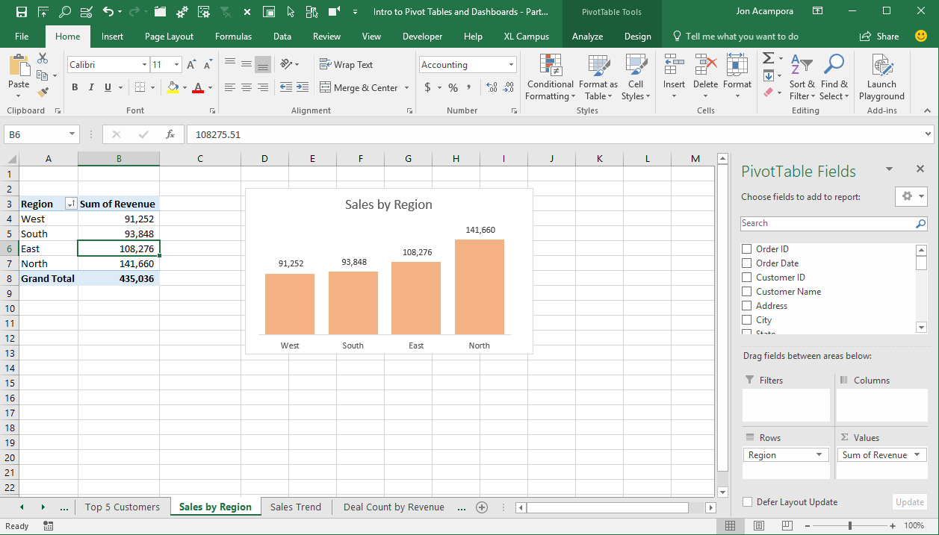

Ribbon Tabs
Ribbon

Formula Bar

Worksheet

Task Pane

Worksheet Tabs

Status Bar

VB Editor
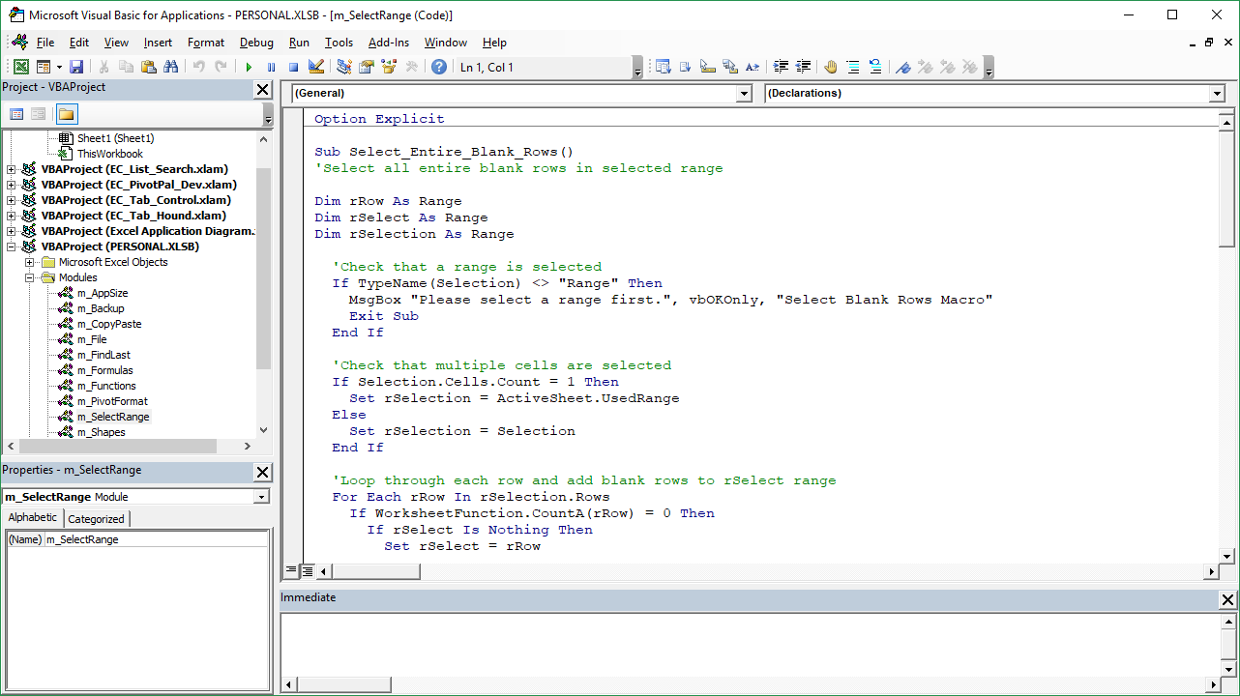

Menu Bar
Tool Bars
Project Explorer Window
Object & Procedure Drop-downs

Code/Userform Window

Properties Window

Immediate Window
(Locals & Watch Windows also appear here)

